Training Log 2023
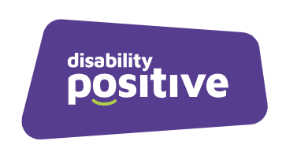
 |  | Trustee Training Log
 |  | Last Updated | 2023-02-01

 | Safeguarding Level 1 | Cyber Security | Data Protection | Disability Equality | Unconscious Bias | Risk Management | Media | Charity Governance | Finance
Name | Annual | Annual | 2 Yearly | 3 yearly | GC Only - 3 yearly | SRC Only | Additional | Additional | Additional

Notes/Other: | Training resources: NCVO, Civil Society, Governance and Leadership, virtual college
Due
Allocated

